Sheet6
Region wise Sales
Row Labels | Sum of Selling Price
Central | 41819.191872
North East | 41084.963002
North West | 49723.237825
South East | 39059.85486
South West | 41818.247208
Grand Total | 213505.49477

Sheet9
Month and Year wise sales
 | Total
Jan | 14051.174606
Feb | 11949.56921
Mar | 13202.405189
Apr | 11605.622087
May | 8722.8206764
Jun | 13773.856596
Jul | 11561.072116
Aug | 14725.014779
Sep | 13886.825902
Oct | 13432.629472
Nov | 9886.2649957
Jan | 12518.044278
Feb | 4532.8203678
Mar | 5216.4317728
Apr | 5626.0535621
May | 11221.007219
Jun | 5352.4748386
Jul | 5350.1916157
Aug | 9139.59787
Sep | 6007.2153635
Oct | 4479.6713039
Nov | 7264.7309463
Row Labels | Sum of Selling Price
2021
Jan | 14051.174606
Feb | 11949.56921
Mar | 13202.405189
Apr | 11605.622087
May | 8722.8206764
Jun | 13773.856596
Jul | 11561.072116
Aug | 14725.014779
Sep | 13886.825902
Oct | 13432.629472
Nov | 9886.2649957
2022
Jan | 12518.044278
Feb | 4532.8203678
Mar | 5216.4317728
Apr | 5626.0535621
May | 11221.007219
Jun | 5352.4748386
Jul | 5350.1916157
Aug | 9139.59787
Sep | 6007.2153635
Oct | 4479.6713039
Nov | 7264.7309463
Grand Total | 213505.49477

Sheet11
Top 10 customers
Row Labels | Sum of Selling Price
C1 | 16267.722633
C10 | 17533.892707
C11 | 25307.021014
C12 | 18864.809142
C2 | 24153.06223
C3 | 16503.111405
C5 | 9595.2865157
C6 | 11981.238964
C7 | 10367.914338
C8 | 9750.0679826
Grand Total | 160324.12693

Sheet13
Delivery person sales in each reagion
Sum of Selling Price | Column Labels
Row Labels | Central | North East | North West | South East | South West | Grand Total
Anil | 6005.0619681 | 4183.5212882 | 4364.0473315 | 3963.1044499 | 6827.9386811 | 25343.673719
Mahesh | 5102.4402185 | 5101.8636069 | 8072.9977176 | 4701.1476562 | 10533.098762 | 33511.547961
Nilesh | 12692.555036 | 3679.593164 | 5070.8242933 | 6465.7770279 | 5327.9317734 | 33236.681295
Raj | 2855.4162496 | 2507.8285645 | 7171.2884628 | 3832.9152881 | 6354.9989179 | 22722.447483
Raju | 3414.9943257 | 10530.539492 | 7380.4267733 | 5581.481582 | 4602.0672839 | 31509.509457
Ram | 1246.1265929 | 2321.0415568 | 6122.1026213 | 4353.4023677 | 2535.6862115 | 16578.35935
Sri | 7169.3464114 | 7120.3125398 | 7136.3146901 | 5415.8958485 | 1114.1339041 | 27956.003394
Suresh | 3333.2510694 | 5640.2627898 | 4405.2359355 | 4746.1306398 | 4522.3916741 | 22647.272109
Grand Total | 41819.191872 | 41084.963002 | 49723.237825 | 39059.85486 | 41818.247208 | 213505.49477

Sheet14
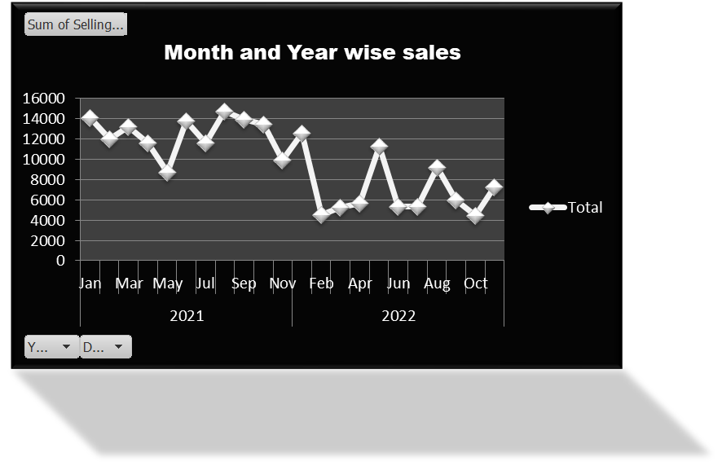
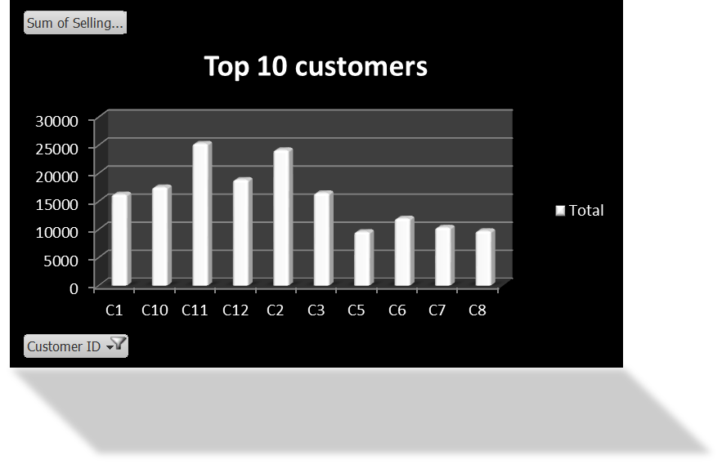
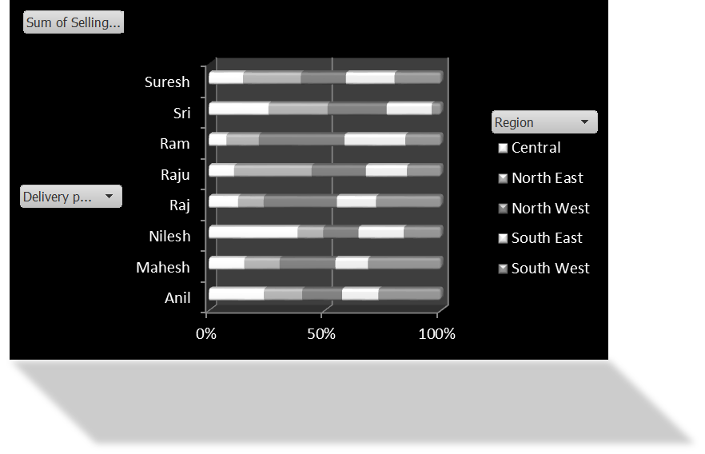
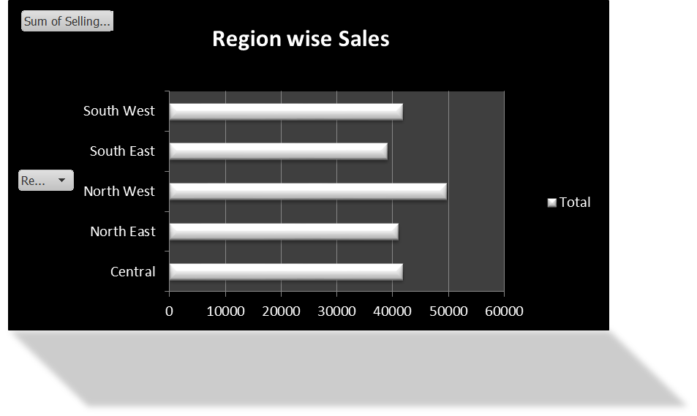
SALES DASHBOARD OF FOOD ITEMS

